PCAV Order Form
WE'RE PROUD TO SERVE AS YOUR OFFICIAL TECHNOLOGY PROVIDER - Order by 2/25/21

Exhibiting Company: |  |  |  |  |  |  |  |  |  |  | Booth #:
Onsite Contact: |  |  |  |  |  |  |  |  |  |  | Onsite Cell:
Delivery Date: |  | Time Frame: |  |  |  |  | Pickup Date: |  |  |  | Time Frame:
Ordered By: |  |  |  |  | Email Address: |  |  |  |  |  |  |  | Phone #:
Credit Card: |  |  |  |  |  |  | Expiration Date: |  |  |  | Security Code:
Billing Address: |  |  |  |  |  |  | City: |  |  |  | State: |  |  |  | Zip:

 |  |  |  | For Fast and Easy Ordering, |  |  |  |  |  | Order Online
 |  | Or Submit this Completed Form to |  |  |  |  | exhibitorsales@TheSmartSource.com
Audio Visual Equipment |  |  | Show Price | Qty |  | Total |  | IT Solutions |  |  |  | Show Price |  |  | Qty | Total

Large LED Displays | 98" LED 4K 3840x2160 4k* |  | $5,995 |  |  | $0 |  | Laptops/PCs | Desktop SFF i7-6700 16/1TB |  |  | $235 |  |  |  | $0
 | 90" LED 1080p 1920x1080* |  | $1,895 |  |  | $0 |  |  | Laptop i5-10210 8/256 SSD 14" |  |  | $165 |  |  |  | $0
 | 80" LED 1080p 1920x1080* |  | $1,295 |  |  | $0 |  |  | Laptop i7-7700HQ 16/1TB SSD 15.6" |  |  | $195 |  |  |  | $0
 | 75" LED UHD 4K 3840x2160 4k* |  | $1,195 |  |  | $0 |  |  | Gaming Laptop i7-7820HK 32/1TB SSD 17" 4k |  |  | $295 |  |  |  | $0
 | 65" LED 1080p 1920x1080* |  | $895 |  |  | $0 |  |  | All-in-One i7-6700 8/1TB 23" |  |  | $235 |  |  |  | $0
 | 55" LED 1080p 1920x1080* |  | $675 |  |  | $0 |  |  | Microsoft Office Pro |  |  | $27 |  |  |  | $0
 | 49" LED UHD 3840x2160 4k* |  | $595 |  |  | $0 |  | Apple Products | iMac 21.5" i7 QC 16GB/1TB |  |  | $325 |  |  |  | $0
 | 46" LED 1080p 1920x1080* |  | $545 |  |  | $0 |  |  | iMac 27" i7-QC 16/1TB |  |  | $445 |  |  |  | $0
 | 43" LED UHD 3840x2160 4k* |  | $495 |  |  | $0 |  |  | MacBook Pro i7-7th Gen 16/512 SSD 15.4" |  |  | $225 |  |  |  | $0
 | 40" LED 1080p 1920x1080* |  | $425 |  |  | $0 |  |  | MacBook Pro i7-9th 16/512 SSD 16" |  |  | $295 |  |  |  | $0
 | 32" LED 1080p 1920x1080* |  | $295 |  |  | $0 |  |  | iPad Air 2 9.7" 64GB |  |  | $145 |  |  |  | $0
Touch Screens | 98" LED 4K 3840x2160 4k Touch Display* |  | $8,995 |  |  | $0 |  |  | iPad Pro 4 12.9" 256GB |  |  | $205 |  |  |  | $0
 | 80" Touch Display* |  | $2,195 |  |  | $0 |  |  | Data Activation for iPad |  |  | $50 |  |  |  | $0
 | 75" LED UHD 4K 3840x2160 4k Touch Display* |  | $2,095 |  |  | $0
 | 65" Touch Display* |  | $1,695 |  |  | $0 |  | Kiosks & Charging Stations |  |  |  | Show Price |  |  | Qty | Total
 | 55" Touch Display* |  | $1,195 |  |  | $0 |  | Branding Available ** | Lilitab Floor iPad Stand (Stand Only) |  |  | $210 |  |  |  | $0
 | 40" Touch Display* |  | $895 |  |  | $0 |  |  | 21.5” Podium Kiosk |  |  | $695 |  |  |  | $0
Monitors | 27" LED 1920x1080* |  | $175 |  |  | $0 |  |  | 40" 4K Touch Digital Kiosk |  |  | $995 |  |  |  | $0
 | 24" LED 1920x1080* |  | $95 |  |  | $0 |  |  | 58" 4K Touch Digital Kiosk |  |  | $1,395 |  |  |  | $0
 | 22" LED 1920x1080* |  | $75 |  |  | $0 |  |  | 75" 4K Digital Kiosk |  |  | $1,895 |  |  |  | $0
Video Walls | LED Tile Walls |  | Contact Us For Pricing |  |  |  |  |  | Hightop Table Charging Station |  |  | $795 |  |  |  | $0
 | Standard Video Walls |  | Contact Us For Pricing |  |  |  |  |  | Lockable Charging Station |  |  | $995 |  |  |  | $0
 | 88" LED Ultra Stretch 3840x1080 |  | Contact Us For Pricing |  |  |  |  |  | Classic Charging Station (Includes Branding) |  |  | $1,295 |  |  |  | $0
 | 86" LED Ultra Stretch 3840x600 |  | Contact Us For Pricing
Projection | 5K Lumen HD Projector |  | $795 |  |  | $0 |  | Copiers & Printers |  |  |  | Show Price |  |  | Qty | Total
 | 7K Lumen Laser HD Projector .8-1 lens |  | $1,495 |  |  | $0 |  | Office Tools | HP Black & White Laser Printer |  |  | $210 |  |  |  | $0
 | 10k Lumen Laser HD Projector .8-1 lens |  | $2,195 |  |  | $0 |  |  | HP Color Laser Printer |  |  | $345 |  |  |  | $0
 | 8' x 8' Tripod Projection Screen |  | $195 |  |  | $0 |  |  | HP Black & White Copier 60ppm |  |  | $795 |  |  |  | $0
 | 6.75' x 12' FastFold Screen w/Dress Kit |  | $595 |  |  | $0 |  |  | HP Color Copier 45ppm |  |  | $995 |  |  |  | $0
Sound | Meyer Self-Powered Mini Speaker |  | $195 |  |  | $0 |  | For assistance with your order, or questions about additional technology solutions, please contact Lori Haskin at (321) 710-3350, or via email at lhaskin@TheSmartSource.com
 | JBL Pro 10" Powered Speaker Includes Stand |  | $175 |  |  | $0
 | Booth Sound System (2) MM Meyers Speakers w/Stands, Mixer & Wireless Mic |  | $745 |  |  | $0 |  |  | Equipment Subtotal |  |  |  |  |  | $0
 | Wireless Mic Kit (1) Lav, (1) HH, (1) Receiver |  | $300 |  |  | $0 |  |  | Delivery, Set-up, and Pick-up 30% or Minimum Charge of $175 |  |  |  |  |  | $175
Stands & Accs | 72” Single/Dual Post Floor Stand For SmartSource Displays Only |  | $95 |  |  | $0 |  |  | Damage & Loss Waiver 10.5% |  |  |  |  |  | $0.00
 | Spandex Wrap for Dual Post Stand |  | $35 |  |  | $0 |  |  | To decline waiver, type No in the orange box.
 | Accessory Shelf for Dual Post Stand |  | $30 |  |  | $0 |  |  | Sales Tax of |  |  |  |  | 8.9% | $0.00
This total is an estimate. Delivery, set-up, and sales tax may vary on final bill.
 | Mifi Hotspot Device Activation Fee Included, Connect up to 5 devices |  | $150 |  |  | $0 |  |  | Grand Total |  |  |  |  |  | $175.00
 |  |  |  |  |  |  |  | OTHER ITEMS AVAILABLE UPON REQUEST
*Includes Wall Mount or Tabletop Stand **Branding options are available for all Kiosks and Charging Stations. Contact us for more details. Prices vary per unit.
Customer is responsible for the coordination of required union labor and drayage, along with any associated fees.
Show Name: |  |  |  |  |  | Show Dates: |  |  |  |  |  |  | Show Code:

For specific details regarding your rental order, please refer to our Terms & Conditions.

Terms & Conditions
RENTAL AGREEMENT TERMS AND CONDITIONS

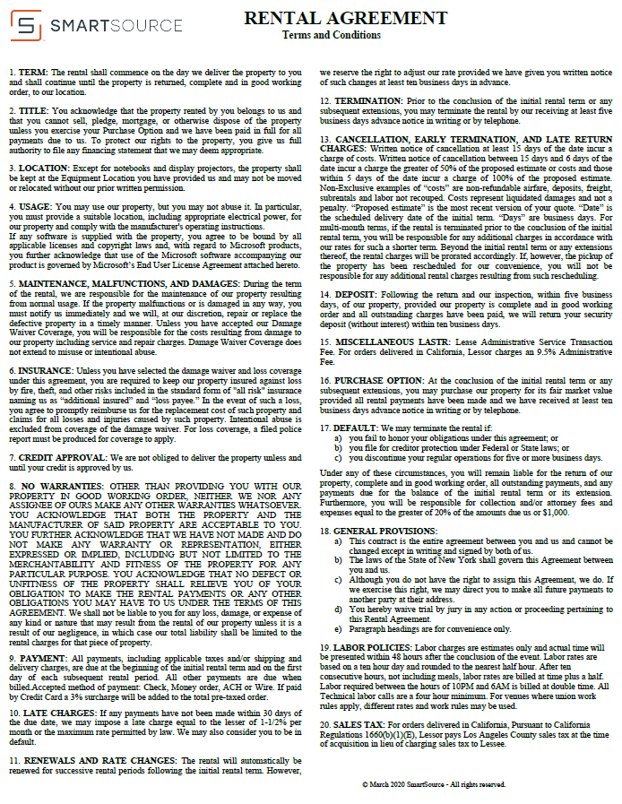

Subject to change.

